Sheet1
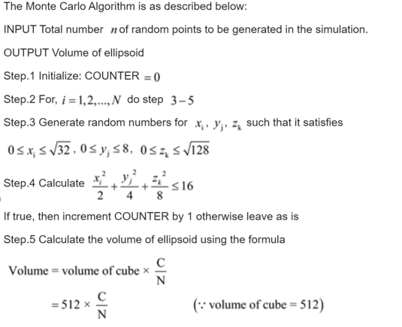
n | X | Y | Z | Elip | Count
1 | 1.885941738 | 7.6398560016 | 7.4307855636 | 23.272309813 | 0 | Count = | 5
2 | 2.1129839459 | 0.024644316446 | 3.7117922975 | 3.9546776708 | 1
3 | 4.3715856652 | 7.7022877101 | 4.0407924414 | 26.42769005 | 0
4 | 5.1031702835 | 7.2856209276 | 0.028171655303 | 26.291340751 | 0 | Valume of Cube = |  | 511.212
5 | 1.9370971884 | 6.0661297449 | 3.712997808 | 12.798949369 | 1
6 | 2.885382156 | 7.5359696773 | 11.309849737 | 34.349512472 | 0
7 | 1.9638995364 | 2.8428771669 | 6.6250418406 | 9.4353357649 | 1 | Valume part of cube= |  |  | 150.35647059
8 | 3.6025362254 | 0.80748463109 | 9.2355997077 | 17.31417923 | 0
9 | 4.9039233637 | 3.577150548 | 10.534824855 | 29.096050529 | 0
10 | 1.6983504785 | 5.8479826273 | 7.7444404369 | 17.488967086 | 0
11 | 0.76045048251 | 7.3061734098 | 4.623392916 | 16.306155199 | 0
12 | 2.5655376761 | 5.5771325142 | 6.8607630127 | 16.950852194 | 0
13 | 2.0307573471 | 1.1132161642 | 5.3515782202 | 5.9517239393 | 1
14 | 0.30830573591 | 6.5293900525 | 10.071764641 | 23.3858152 | 0
15 | 2.9149317657 | 1.4101487989 | 5.555089567 | 8.6029210203 | 1
16 | 5.3397430966 | 3.5754814695 | 0.34166585577 | 17.467037048 | 0
17 | 3.4617906238 | 7.8017432255 | 6.8893171599 | 27.141632867 | 0

